Bug 1
Център за обучение по софтуерно тестване Website: http://skillo-bg.com

Bug ID | PSB001
Name | cheking out cart
Priority | P3
Severity | S4
Description | Trying to select "sort by" drop down menu
Steps to reproduce | 1. Load www.automationpractice.com/login 2.overview women casual dresses category 3.click on "Sort by "drop down menu 4.select "category "from drop down menu Expected result: Sort by chosen category Actual result: Selected category by "Sort by"drop down menu doesn't appears items and loading very long time
Attachment | 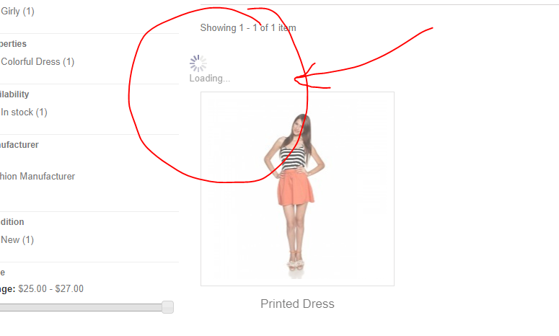
Status | New
Component | Login
Version/Build number (Found in) | 2014
Environment | Chrome
Comments
Date Created | 5-Jun-18
Author | Marina
Audit Log | Marina

Bug 10
Център за обучение по софтуерно тестване Website: http://skillo-bg.com

Bug ID | PSB010
Name | checking "CATALOG"section
Priority | P1
Severity | S3
Description | checking available invormation from Catalog section
Steps to reproduce | 1. Load www.softwareundertest 2. Go to homepage 3.Click "Women"section 4.Click "DRESSES"section 5.Click "Summer DRESSES" 6.Click on "Styles" in Catalog section 7.Select "Girly checkbox" button Expected result: Showing 2 items Girly style Actual result: Chosen Items doesn't shows in the section ,loading
Attachment | 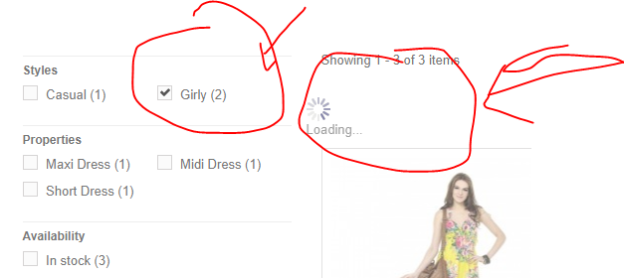 -
Status | New/To do
Component | open website
Version/Build number (Found in) | 2014 Ecommerce software by PrestaShop™
Environment | Version 74.0.3729.169 (Official Build) (64-bit)
Comments | -
Date Created | 4-Jun-18
Author | Marina
Audit Log | Marina

Bug 11
Център за обучение по софтуерно тестване Website: http://skillo-bg.com

Bug ID | PSB011
Name | checking "Price Range"section
Priority | P3
Severity | S3
Description | checking available Price Range from Catalog section
Steps to reproduce | 1. Load www.softwareundertest 2. Go to homepage 3.Click "Women"section 4.Click "DRESSES"section 5.Click "Summer DRESSES" 6.Click on "Styles" in Catalog section 7.Select "Price Range " Expected result: Showing items betwen chosen Price Range Actual result: Unavailable Price Range button, doesn't shows Items ,loading
Attachment | 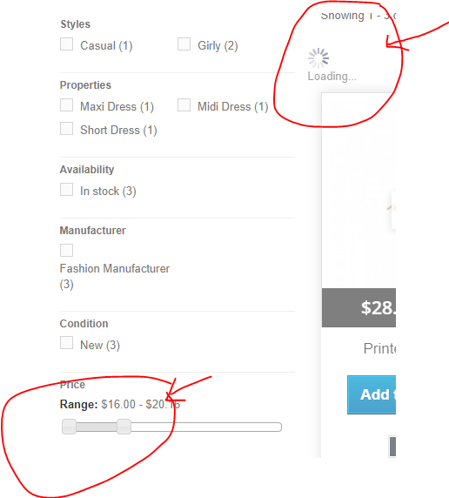 -
Status | New
Component | open website
Version/Build number (Found in) | 2014 Ecommerce software by PrestaShop™
Environment | Version 74.0.3729.169 (Official Build) (64-bit)
Comments | -
Date Created | 4-Jun-18
Author | Marina
Audit Log | Marina

Bug 12
Център за обучение по софтуерно тестване Website: http://skillo-bg.com

Bug ID | PSB012
Name | checking "Sort by"drop down menu
Priority | P3
Severity | S4
Description | checking available "Sort by"drop down menu Price :Lowest first
Steps to reproduce | 1. Load www.softwareundertest 2. Go to homepage 3.Go to Information 4.Click "Best sellers" 5.Select from "Sort by"drop down menu 6.Select "Price :Lowest first " Expected result: Showing items Lowest price first Actual result: Shows Highest price first item not Lowest first
Attachment | 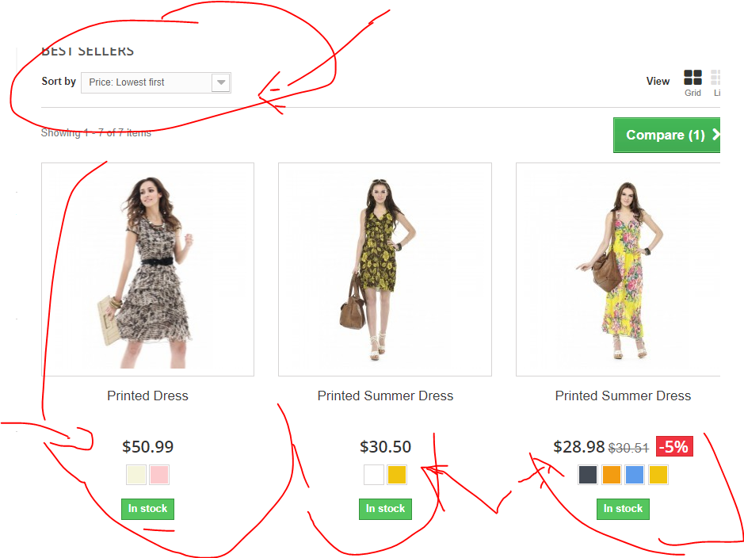 -
Status | New
Component | open website
Version/Build number (Found in) | 2014 Ecommerce software by PrestaShop™
Environment | Version 74.0.3729.169 (Official Build) (64-bit)
Comments | -
Date Created | 4-Jun-18
Author | Marina
Audit Log | Marina

